1. Title Page
[Grocery Basket Analysis]

Project Name: Instacart Basket Analysis
Date: December 2022
Analyst Name: Fiyin Ogundele

Contents:
Population Flow
Consistency checks
Wrangling steps
Column derivations
Visualizations
Recommendations

Data source: “The Instacart Online Grocery Shopping Dataset 2017”, Accessed from https://www.instacart.com/datasets/grocery-shopping-2017 on [12/06/22].

2. Population Flow
Population flow

Exclusion flag
Condition: max_order < 5
Obervations to be removed: 1,440,045
Final total count of order_products_all: 30,959,687

Orders_products_combined
Orders_products_merged
Orders_products_all

32,404,859
32,434,489
32,399,732

3. Consistency checks
 |  |  |  | Title page
Consistency checks

Dataset | Missing values | Missing values treatment | Duplicates
orders | 206,209 missing values in 'days_since_prior_order' column | It was found that the missing values represent the first order for every customer in the system. As such, they were left unaltered. | No duplicates found
products | 16 missing values in 'product_name' column | Excluded from dataset | 5 duplicate rows removed
orders_products_prior | No missing values | N/A | No duplicates found
customers | 11259 missing values in 'first_name' column. | The missing values were left as is. | No duplicates found

4. Wrangling steps
 |  |  |  |  | Title page
Wrangling steps

Data set | Columns dropped | Columns renamed | Columns' type changed | Comment/Reason
orders.csv | 'eval_set' |  |  | Not relevant to analysis
 |  | 'order_dow' renamed 'order_day_of_week' |  | Renamed for easy understanding
 |  | 'order_number' renamed 'number_of_items_ordered'
 |  |  | 'order_id' and 'user_id' changed from integer to string | These are identifier variables that wouldn't be used for mathematical operations.

customer.csv |  | 'First Name' renamed 'first_name' |  | Renamed for clarity and consistency
 |  | 'Surnam' renamed 'last_name'
 |  | 'STATE' renamed 'state'
 |  | 'Gender' renamed 'gender'
 |  | 'Age' renamed 'age'
 |  | 'n_dependants' renamed 'no_of_dependants'
 |  | 'fam_status' renamed 'marital_status'
 |  |  | 'user_id' changed from integer to string | Identifier variable won't be used for mathematical operations.
 |  |  | 'date_joined' changed from string to datetime | For potential time series analysis.
 |  |  | 'first_name' changed from mixed-type to string | For consistent data type in the column.

instacart_combined_final_task.pkl | first_name and last_name |  |  | Potential security implication.

5. Column derivations
 |  |  |  | Title page

Column derivations and aggregations

Dataset | New column | Column/s it was derived from | Conditions
orders_products_merged | price_range | price | If price > 15, price_range = High-range product If price > 5 and <= 15, price_range = Mid-range product If price <=5, price_range = Low-range product
 | busiest_days | order_day_of_week | Based on analysis of frequency of orders during the week: If order_day_of week = 0 or 1, busiest_days = Busiest days If order_day_of_week = 3 or 4, busiest_days = Slowest days All other days = Regularly busy
 | busiest_period_of_day | order_hour_of_day | Based on analysis of frequency of orders during the day: If order_hour_of day = 10, 11, 14, 15, 13, 12, 16, 9, busiest_period_of_day = Most orders If order_hour_of_day = 17, 8, 18, 19, 20, 7, 21, 22, busiest_period_of_day = Average orders All other hours = Fewest orders
 | max_order | number_of_items_ordered and user_id | Aggregation of the maximum number of customer orders grouped by unique user ids.
 | loyalty_flag | max_order | If max_order > 40, loyalty flag = Loyal customer If max_order > 10 and <= 40, loyalty_flag = Regular customer If max_order <= 10, loyalty_flag = New customer
 | avg_price | user_id and prices | Aggregation of the average prices grouped by user_id
 | spending_habits | avg_price | If avg_price < 10, spending_habits = Low spender If avg_price >= 10, spending_habits = High spender
 | median_days_last_order | user_id and days_since_prior_order | Aggregation of the median of the 'days_since_prior_order' column grouped by user_id
 | customer_frequency | median_days_last_order | If median_days_last_order > 20, customer_frequency = Non-frequent customer If median_days_last_order > 10 and <=20, customer_frequency = Regular customer If median_days_last_order <= 10, customer_frequency = Frequent customer

instacart_combined.pkl | region | state | Based on the four regions of the United States: Northeast, Midwest, South, West.
 | age_profile | age | If age < 35, age_profile = Young adult If age >=35 and < 65, age_profile = Middle age If age >= 65, age_profile = Seniors
 | income_profile | income | If income <= 100000, income_profile = Low income If income> 100000 and < 400000, income_profile = Middle income If income >= 400000, income_profile = High income
 | family_size | no_of_dependants | If no_of_dependents = 0, family_size = Single If no_of_dependents = 1, family size = Small If no_of_dependents = 2, family_size = Medium If no_of_dependents = 3, family_size = Large
 | baby_order | department | If department = babies, baby_order = 1 If department is not = babies, baby_order = 0 This column was also aggregated to get the total number of orders in the babies department for each customer.
 | baby_status | baby_order | If baby_order = 0, baby_status = No If baby_order is not 0, baby_status = Yes
 | pet_order | department | If department = pets, pet_order = 1 If department is not = pet, pet_order = 0 This column was also aggregated to get the total number of orders in the babies department for each customer.
 | pet_status | pet_order | If pet_order = 0, pet_status = No If pet_order is not 0, pet_status = Yes

6. Visualizations
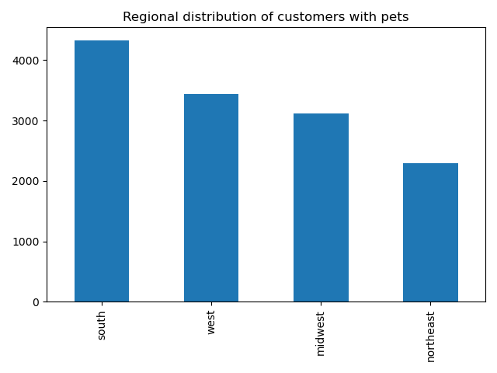
 |  | Title page

Visualisations


0: Saturday
1: Sunday
2: Monday
3: Tuesday
4: Wednesday
5: Thursday
6: Friday

This chart shows the frequency of orders during the week. Saturday and Sunday are the busiest days of the week while Tueday and Wednesday are the least busy

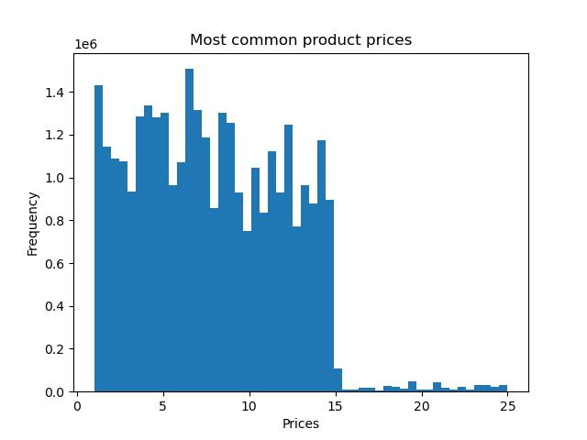

Histogram of prices of products ordered. The majority of products purchased are less than fifteen dollars. There are very few orders above fifteen dollars. Maximum is twenty five dollars.

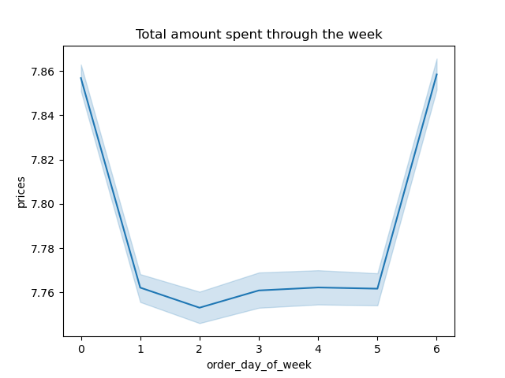

0: Saturday
1: Sunday
2: Monday
3: Tuesday
4: Wednesday
5: Thursday
6: Friday

This line chart shows the total amount spent by customers through the days of the week.



Histogram of orders during the hours of the day. Most orders are placed between 10am and 4pm. The early moning hours are the least busy.

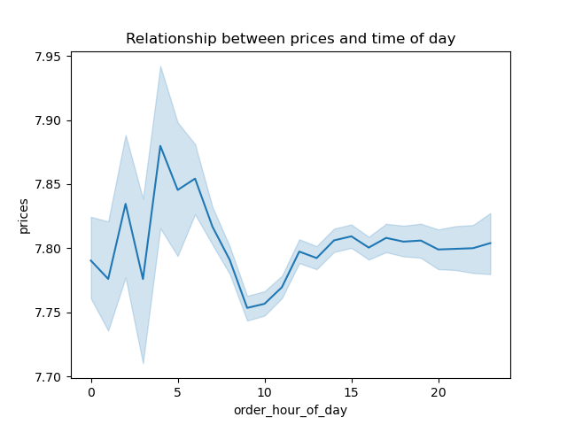

This line chart generated from a small sample of the data shows the relationship between the time of day and the prices spent.

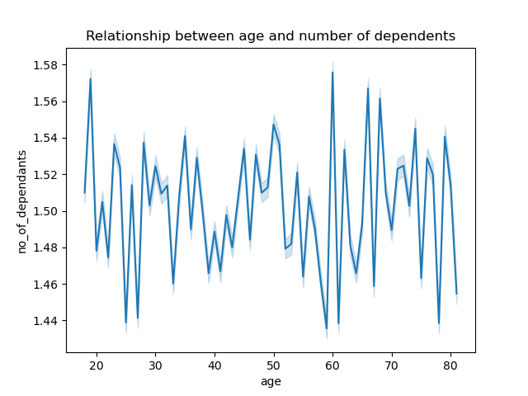

This chart shows that there is no clear relationship between a customers age and the number of dependents



This chart shows the relationship between age and income. Most customers below 200,000. The highest earning customers are 40 years and older.

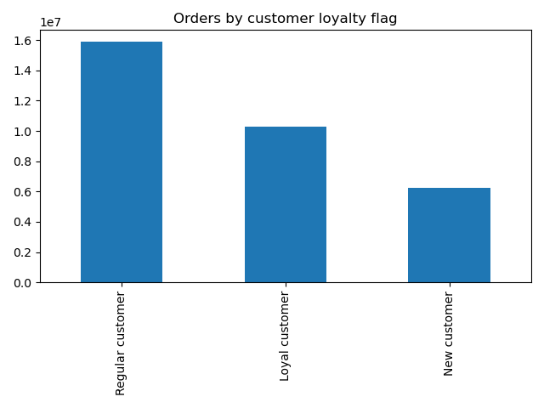

This chart shows the grouping of the customer loyalty flag. Most customers fall in the 'Regular' category

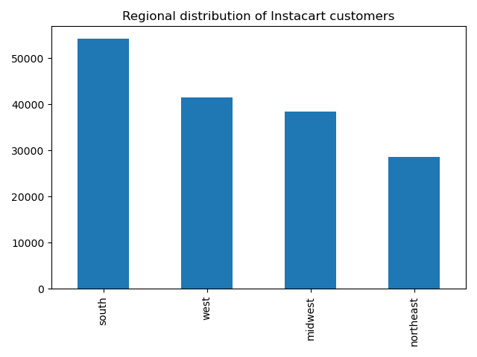

Most customers are from the Southern region. The Northeast has the least customers.

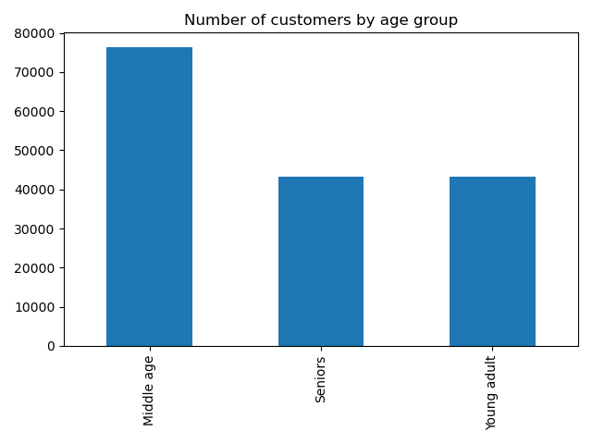

This chart shows the age grouping of customers. Most customers fall in the Middle age grouping, between thirty five and sixty five years old.

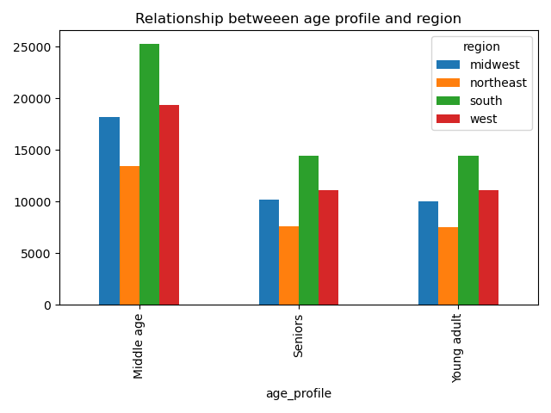

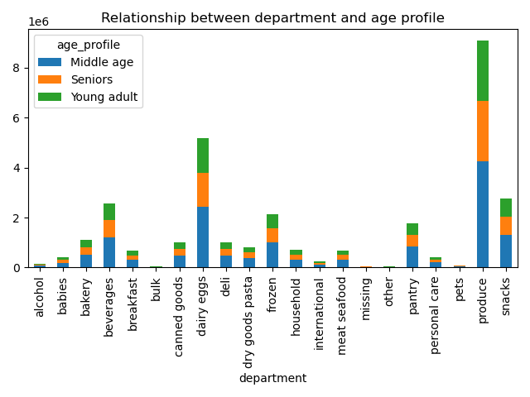

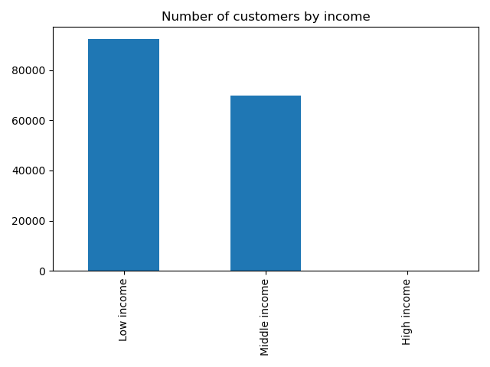

Most customers fall into the low income bracket (< $100,000). The are very few (169) high income customers (> $400, 000)

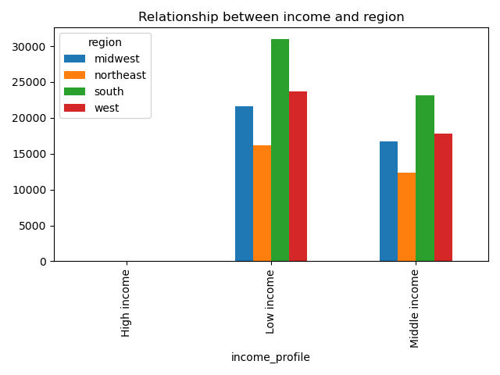

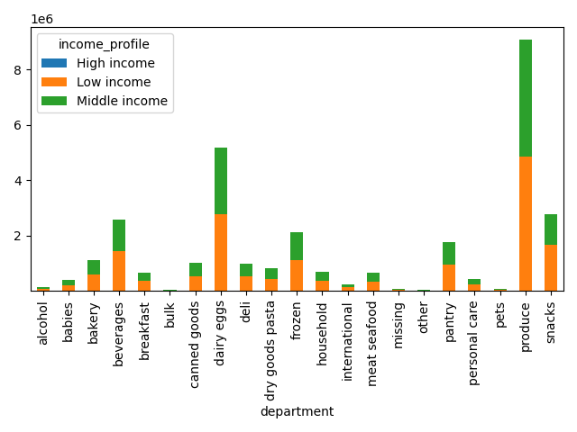

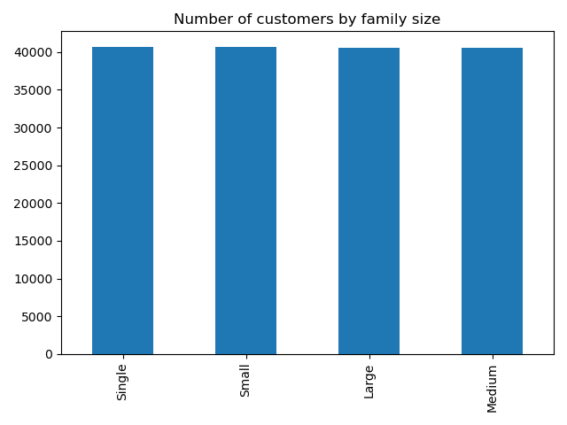

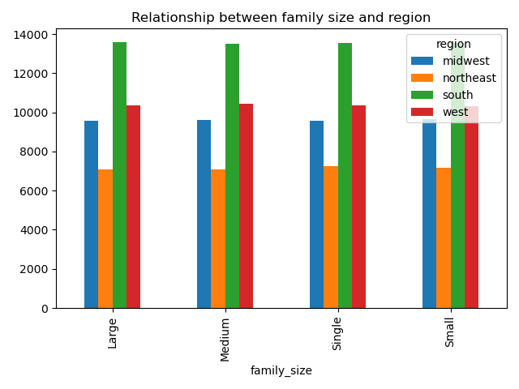

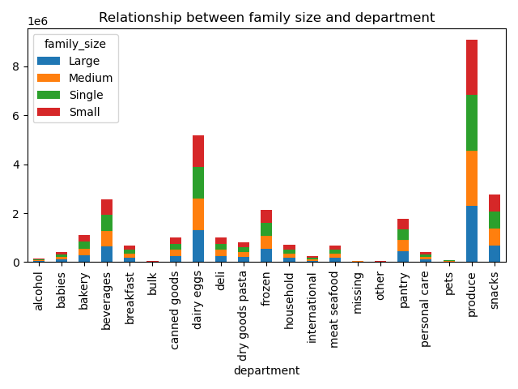

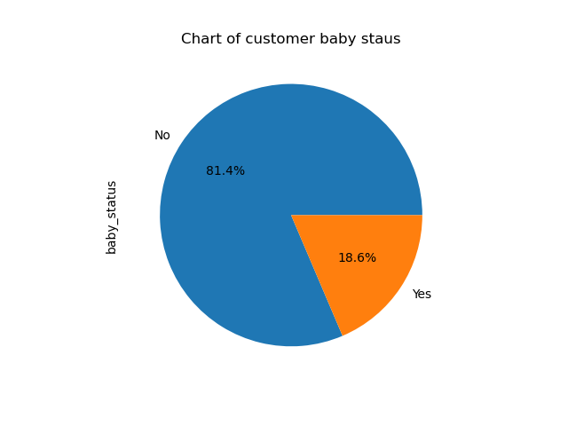

18.6% of Instacart customers have babies.



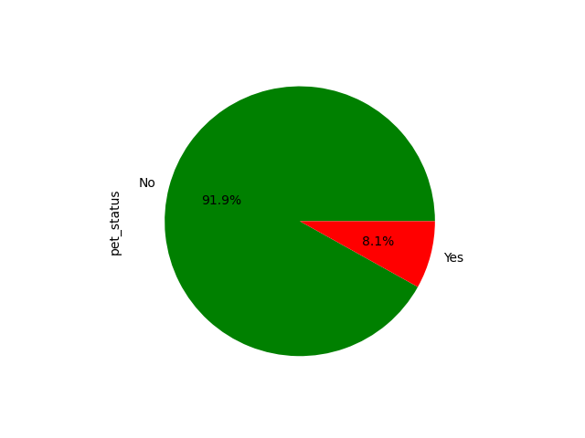

 | Only 8.1% of Insacart customers have pets

7. Recommendations
 |  |  | Title page

Recommendations

Key Question 1:
The sales team needs to know what the busiest days of the week and hours of the day are (i.e., the days and times with the most orders) in order to schedule ads at times when there are fewer orders.


 | 0: Saturday
 | 1: Sunday
 | 2: Monday
 | 3: Tuesday
 | 4: Wednesday
 | 5: Thursday
 | 6: Friday

The busiest days of the week are Saturdays and Sundays. The least busy days are on Tuesdays and Wednesdays. The number of orders starts to rise going into the weekend days. |  | The number of orders are naturally very few during the early hours of the day. There is a steady increase in ordering activity from 7am, which peaks around 10 am and remains more or less steady until around 5pm when it begins to decline towards the evening hours.

Recommendation: Instacart should consider scheduling more targeted ads on the least busy days: Tuesday and Wednesday. |  | Recommendation: Increased advertising during the late afternoon and evening hours starting around 5pm when there tends to be a decrease in customer orders.

Key Question 2:
They also want to know whether there are particular times of the day when people spend the most money, as this might inform the type of products they advertise at these times.

Customer spending follows a similar pattern as the number of orders during the day. Customers spend the most money between the peak hours of 10 am to 4pm.

Key Question 3
Instacart has a lot of products with different price tags. Marketing and sales want to use simpler price range groupings to help direct their efforts.
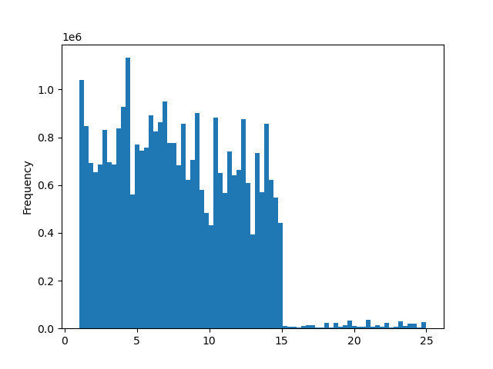

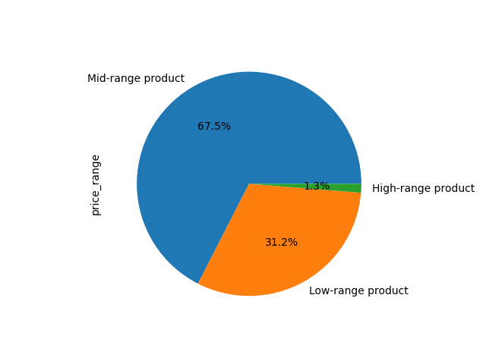

The chart above shows that the majority of products ordered by customers are less than fifteen dollars.
The following price-range groupings are recommended:
Price <= $5: Low range product
Price > 5 and <= 15: Mid range product
Price > 15: High range product

Key question 4:
Are there certain types of products that are more popular than others? The marketing and sales teams want to know which departments have the highest frequency of product orders.

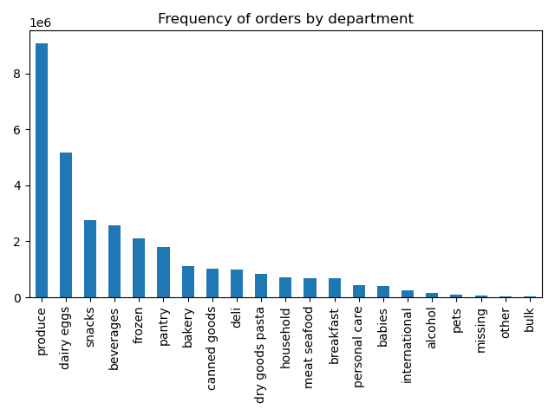

The produce department accounts for a significant amount of orders. Dairy and eggs department is also popular. Bulk items have the least orders
Recommendation: Offer discounts and promotions for items in the departments with the fewest orders.

Key question 5:
What’s the distribution among users in regards to their brand loyalty (i.e., how often do they return to Instacart)?

Most customers return frequently to Instacart.
Recommendation: Introduce a rewards program for loyal customers to incentivize more purchases. Also, target new customers with promotions and discounts.

Key question 6:
Are there differences in ordering habits based on a customer’s loyalty status?
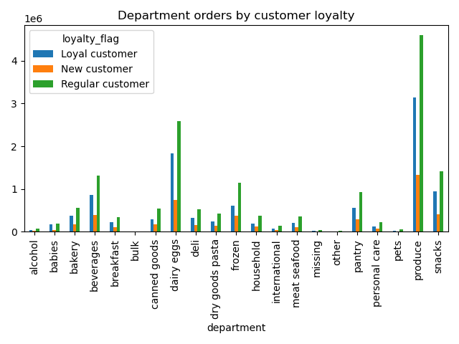
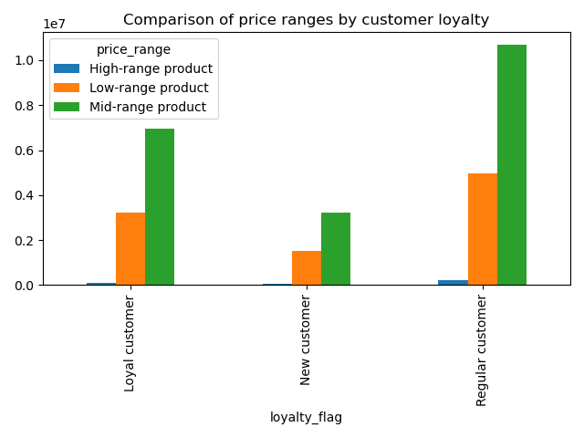

Regular customers make the most orders across all the price ranges. This is expected as most customers fall under this category. |  | Regular customers purchase the most products in every department.

Key Question 7:
Are there differences in ordering habits based on a customer’s region?
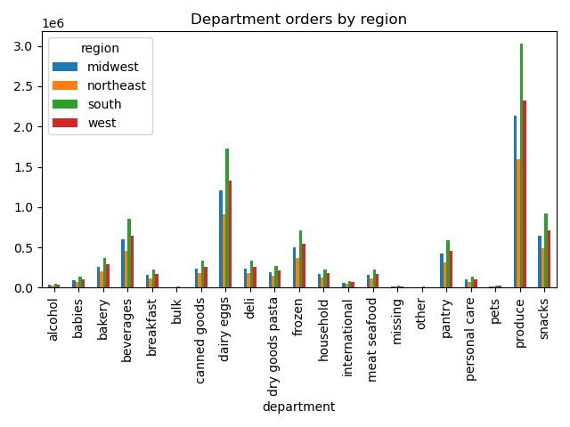
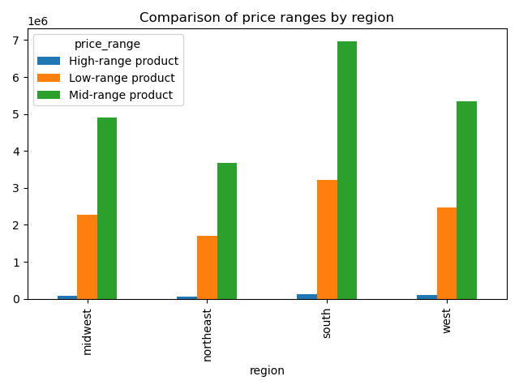

Most product purchased, as expected, are mid range prices across all the regions. Because the Southern region has more customers, it has more orders in all the price ranges. |  | As expected, the produce and dairy and eggs department has the most orders across all the regions. Again, the regions with the most customers have more orders in every department.

